Sheet1
 | Document No. |  | Issue No. | Issue Date |  | Review and Replace Date |  | Authorised By
 | GFF495MC |  | 1 | 07.05.2025 |  | New doc
 | Document Title |  | 10 Chicken Tikka Samosa Large 1000g
 |  |  |  |  |  |  |  | Magda Shah
Document amendments reason for change | New doc |  | Page 1 of 1 |  | Previous Issue Date |  | New doc | Uncontrolled copy unless signed original

CCSAL1-B10X4T |  | GAZEBO-Morrison |  |  | 10 Chicken Tikka Samosa Large 1000g
STEP 1 |  |  |  |  | STEP 2
 |  |  |  |  | 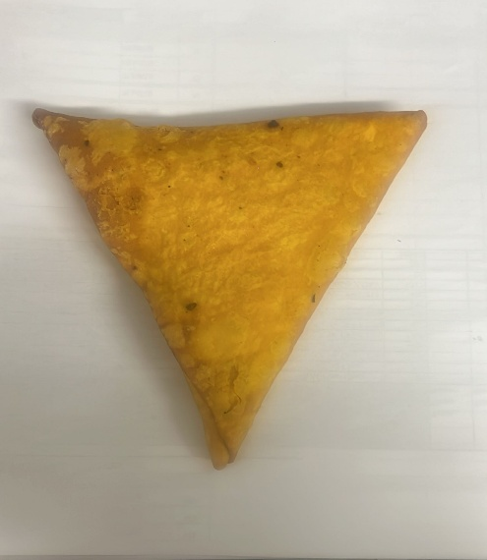
New Recipe

Tray: HW308/60 open ECO tray- (PKESS001-12) |  |  |  |  | Chicken Tikka Samosa Large(Yellow Pastry) 100 g (GFF532R)-: 10 Pieces 1000g
Film: K Peel RPSM 25µm (340mmX1000lm)-(PKKMP001-05)
STEP 3
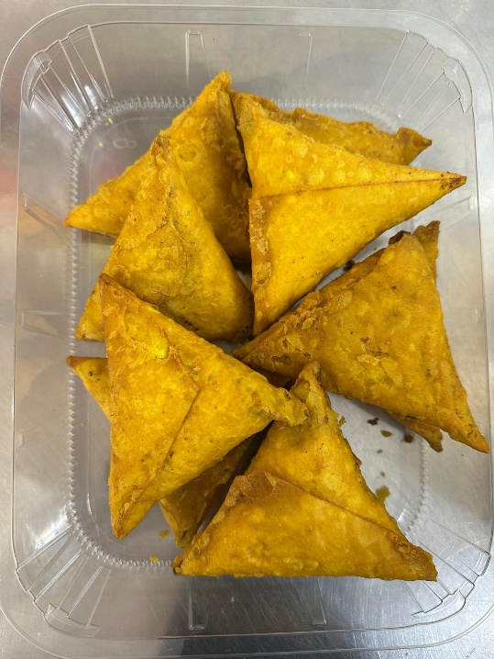
Colour coded tags- WHITE & YELLOW should be on the Chicken samosa 100g (YELLOW Pastry).

10 Chicken Tikka Samosas 1000g
TOTAL WEIGHT: 1000g

ALLERGY ALERT: WHEAT, SOYA

